Sheet1
 | Pc/plt | Total PCS |  |  | Total Qty | Price per pc
Police Car | 7,200 |  | Police Car |  | 281,810 | $0.79
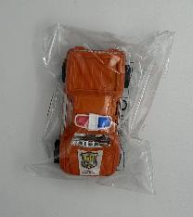 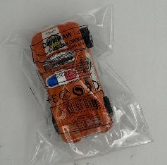 | 7,200 |  | Case Pack: 144 pcs
 | 5,904 |  | UPC: 680059281577
 | 7,200
 | 7,200
 | 7,200
 | 7,200
 | 7,200
 | total | 56,304

Motorcycle | 5,184 |  | Motorcycle
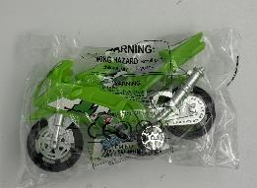 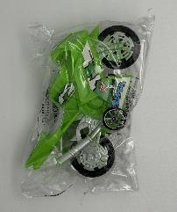 | 4,320 |  | Case Pack: 144 pcs
 | 4,320 |  | UPC: 680059223362
 | 5,184
 | 5,184
 | 5,184
 | 5,184
 | 5,760
 | 5,184
 | 5,616
 | total | 51,120

Water gun | 5,184 |  | Water gun | Water gun (4 pack)
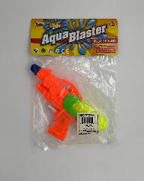 | 5,184 |  | Case Pack: 144 pcs | Case Pack: 144 pcs
 | total | 10,370 | UPC: 841175116598 | UPC: 680058419407

Cap gun | 9,216 |  | Cap gun
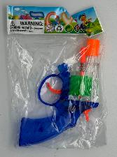 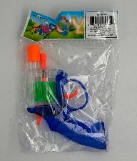 | 9,216 |  | Case Pack: 192 pcs
 | 9,216 |  | UPC: 680058856740
 | 9,216
 | 9,216
 | total | 46,080

Pinball | 2,688 |  | Pinball
 | 3,072 |  | Case Pack: N/A
 | 2,304 |  | UPC: N/A
 | total | 8,064

Doll | 26,880 |  | Doll
 | 26,880 |  | Case Pack: 192 pcs
 | 23,040 |  | UPC: 680058327276
 | 26,880
 | total | 103,680

 |  |  | Plane
Plane | 3,024 |  | Case Pack: 144 pcs
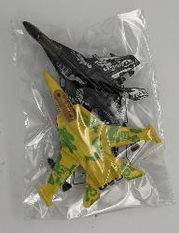 | 3,168 |  | UPC: 680058279773
 | total | 6,192

Glider | 1728 |  | Glider
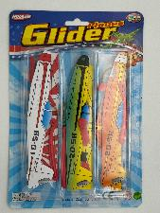 |  |  | Case Pack: 72 pcs
 | total | 1728 | UPC: 680058259799

Soldier | 7776 |  | Case Pack: 388 pcs
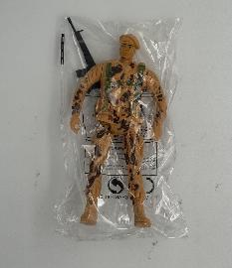 |  |  | UPC: 680058279780
 | total | 7776

